Test Execution
ID | Test Case | Test Steps | Expected Result | Actual Result | Status | Evidence Screenshot
TC_BOOK_002 | Verify that the users can select the booking date. | Open the Shady Meadows home page. Click on "Booking" nevigation bar. Click on “Book Now” button. Click on the booking date. | The Shady Meadows home page should be displayed. “Booking” navigation bar should be clicked. “Book now” button below the room type section should be clicked. The booking date should be selected. The booking form should be redirected. | The Shady Meadows home page has been displayed. “Booking” navigation bar has been clicked. “Room Type” section has been displayed. “Book Now” button below the “Single Room Type” section has been clicked. “Single Room” screen has been displayed. The booking date “2026/08/13 - 2026/08/16” has been selected. “Reserve Now” button has been clicked. The booking form has been redirected successfully. | PASS | 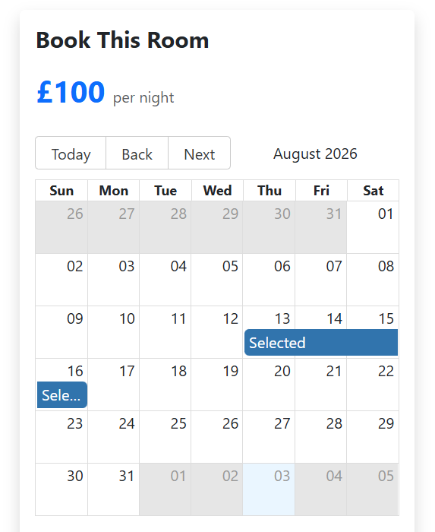 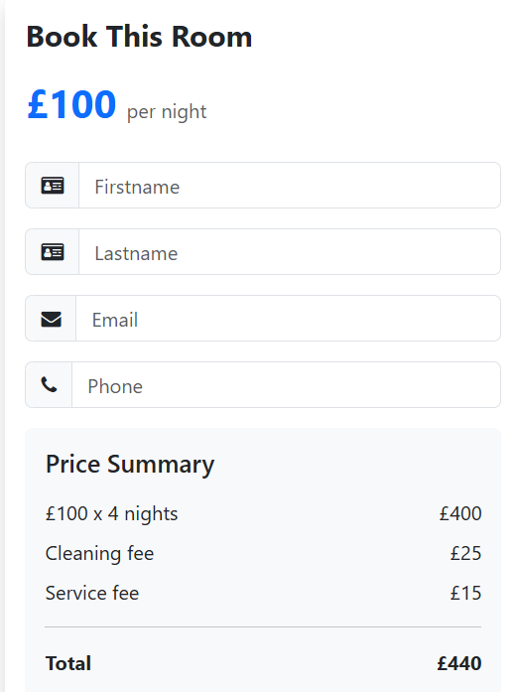
TC_SM_001 | Verify that the customer can enter customer information. | Open the Shady Meadows home page. Click on “Contact” navigation bar. Enter customer information into the contact form. Click on "Submit" button. | The Shady Meadows home page should be displayed. The "Contact" navigation bar should be clicked. The contact form should be displayed. The customer information should be entered. “Submit” button should be clicked. The success notification should be displayed. | The Shady Meadows home page has been displayed. The “Contact” navigation bar has been clicked. The contact form “Send Us a Message” has been displayed, including name/email/phone/subject/message items. The customer information have been entered, including name"Minh Nguyet"/email"minhminofficial@gmail.com"/phone"84373158868"/subject" Booking Cancellation Request"/message"I would like to cancel my hotel reservation.". “Submit” button has been clicked. The success notification “Thanks for getting in touch Minh Nguyet” has been displayed. The form has been sent successfully. | PASS | 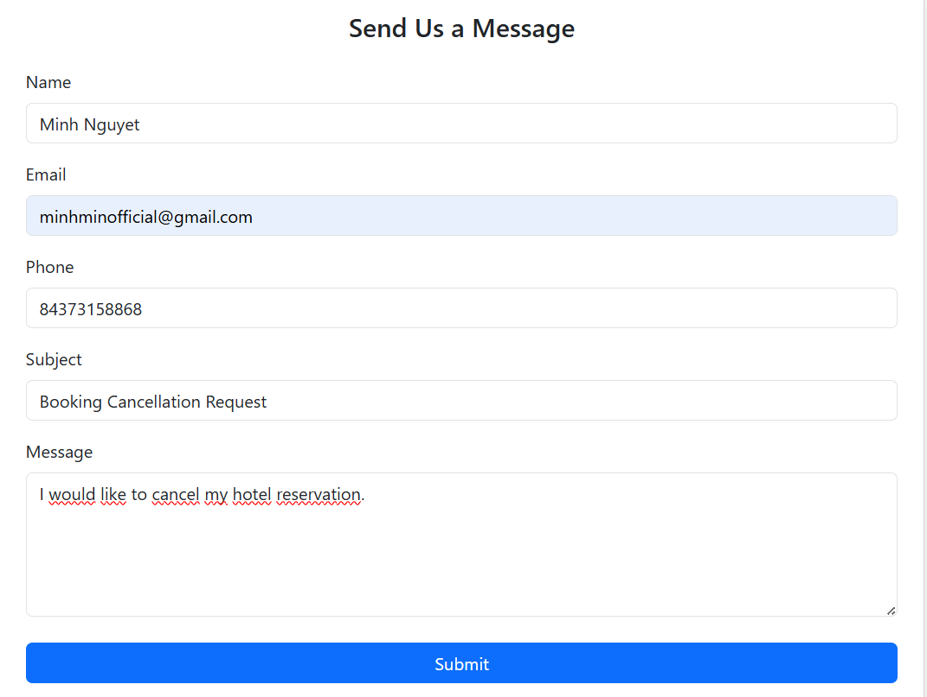 
TC_SM_003 | Verify that the system validates customer information when submitting the message. | Open the "Contact” page. Enter customer information, including invalid phone number. Click on "Submit" button. Enter customer information, including valid phone number. Click on “Submit” button. | "Contact" page should be displayed. The message form should be displayed. The invalid customer information should be entered. “Submit” button should be clicked. The result should be failure submitted. The valid customer information should be entered. “Submit” button should be clicked. The result should be submitted successfully. The success notification should be displayed. | "Contact" page has been displayed. The message form “Send Us a Message” has been displayed. The invalid customer information has been entered, including the invalid phone number “0373158868”. “Submit” button has been clicked. The failure result “phone must be between 11 and 21 characters” has been displayed. The valid customer information has been entered, including the valid phone number “84373158868”. “Submit” button has been clicked. The result was successful. The success notification “Thanks for getting in touch Minh Nguyet” has been displayed. | 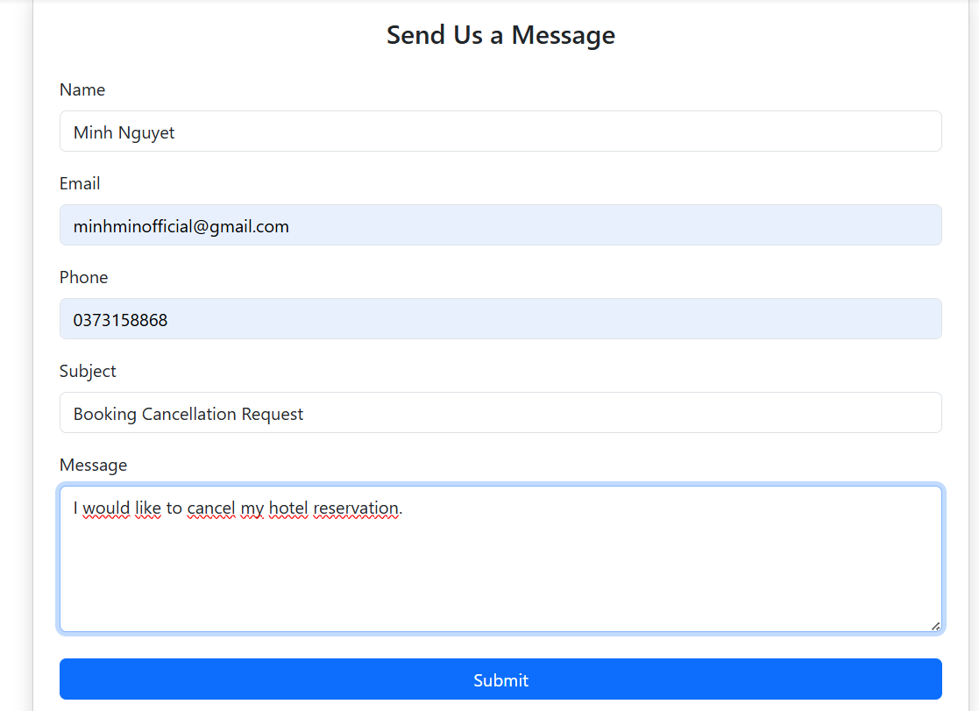 PASS | 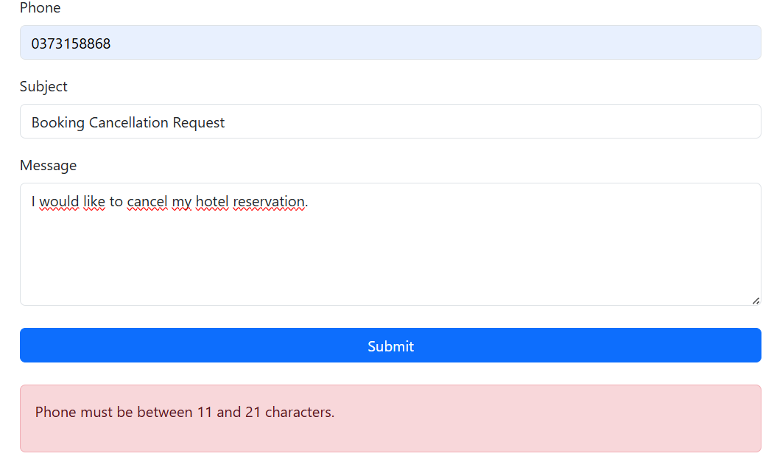
TC_BOOK_001 | Verify that the "Book Now" button works correctly. | Open Shady Meadows home page. Click on “Book Now” button. | Shady Meadows home page should be displayed. Room view page should be displayed. “Book Now” button should be clicked successfully. The screen should be redirected to the room type details page. | Shady Meadows home page has been displayed. “Our Room” page has been displayed. Room type “Single Room” has been selected. “Book Now” button has been clicked successfully. The screen has been redirected to the Single Room page in order to view room details. | PASS | 